Tab1
Table 1: Consumer Price Index, August 2019 to October 2021

Figure 1: INFLATION, August 2019 to October 2021 Yearly change rate (%)
Aug-19 | 7.8
Sep-19 | 7.6
Oct-19 | 7.7
Nov-19 | 8.2
Dec-19 | 7.9
Jan-20 | 7.8
Feb-20 | 7.8
Mar-20 | 7.8
Apr-20 | 10.6
May-20 | 11.3
Jun-20 | 11.2
Jul-20 | 11.4
Aug-20 | 10.5
Sep-20 | 10.4
Oct-20 | 10.1
Nov-20 | 9.8
Dec-20 | 10.4
Jan-21 | 9.9
Feb-21 | 10.3
Mar-21 | 10.3
Apr-21 | 8.5
May-21 | 7.5
Jun-21 | 7.8
Jul-21 | 9.0
Aug-21 | 9.7
Sep-21 | 10.6
Oct-21 | 11.0
Year / Month | Index 2018 = 100 | Change rate (%)
 |  | Monthly (m/m) | Yearly(y/y)
Aug-19 | 108.7 | 0.0 | 7.8
Sep-19 | 108.6 | -0.1 | 7.6
Oct-19 | 109.0 | 0.4 | 7.7
Nov-19 | 109.7 | 0.7 | 8.2
Dec-19 | 110.0 | 0.3 | 7.9
Jan-20 | 111.6 | 1.4 | 7.8
Feb-20 | 112.1 | 0.4 | 7.8
Mar-20 | 113.0 | 0.8 | 7.8
Apr-20 | 116.6 | 3.2 | 10.6
May-20 | 118.6 | 1.7 | 11.3
Jun-20 | 119.8 | 1.0 | 11.2
Jul-20 | 120.5 | 0.5 | 11.4
Aug-20 | 120.0 | -0.4 | 10.5
Sep-20 | 119.8 | -0.2 | 10.4
Oct-20 | 120.1 | 0.2 | 10.1
Nov-20 | 120.4 | 0.3 | 9.8
Dec-20 | 121.5 | 0.9 | 10.4
Jan-21 | 122.7 | 0.9 | 9.9
Feb-21 | 123.6 | 0.8 | 10.3
Mar-21 | 124.7 | 0.9 | 10.3
Apr-21 | 126.6 | 1.5 | 8.5
May-21 | 127.6 | 0.8 | 7.5
Jun-21 | 129.19 | 1.30 | 7.8
Jul-21 | 131.30 | 1.63 | 9.0
Aug-21 | 131.65 | 0.27 | 9.7
Sep-21 | 132.50 | 0.64 | 10.6
Oct-21 | 133.30 | 0.61 | 11.0
Figure 3: INFLATION, August 2019 to October 2021 Yearly change rate (%)
Aug-19 | 7.8
Sep-19 | 7.6
Oct-19 | 7.7
Nov-19 | 8.2
Dec-19 | 7.9
Jan-20 | 7.8
Feb-20 | 7.8
Mar-20 | 7.8
Apr-20 | 10.6
May-20 | 11.3
Jun-20 | 11.2
Jul-20 | 11.4
Aug-20 | 10.5
Sep-20 | 10.4
Oct-20 | 10.1
Nov-20 | 9.8
Dec-20 | 10.4
Jan-21 | 9.9
Feb-21 | 10.3
Mar-21 | 10.3
Apr-21 | 8.5
May-21 | 7.5
Jun-21 | 7.8
Jul-21 | 9.0
Aug-21 | 9.7
Sep-21 | 10.6
Oct-21 | 11.0

Tab2
Table 2: Consumer Price Index, August 2019 to October 2021
Year / Month | Year-on-year inflation (%)
 | Food and non- alcoholic beverages | Non-food | Combined Food and non-food
Aug-19 | 8.2 | 7.4 | 7.8
Sep-19 | 8.5 | 7.0 | 7.6
Oct-19 | 7.0 | 8.2 | 7.7
Nov-19 | 8.4 | 8.0 | 8.2
Dec-19 | 7.2 | 8.5 | 7.9
Jan-20 | 7.8 | 7.9 | 7.8
Feb-20 | 7.9 | 7.7 | 7.8
Mar-20 | 8.4 | 7.4 | 7.8
Apr-20 | 14.4 | 7.7 | 10.6
May-20 | 15.1 | 8.4 | 11.3
Jun-20 | 13.8 | 9.2 | 11.2
Jul-20 | 13.7 | 9.7 | 11.4
Aug-20 | 11.4 | 9.9 | 10.5
Sep-20 | 11.2 | 9.8 | 10.4
Oct-20 | 12.6 | 8.3 | 10.1
Nov-20 | 11.7 | 8.3 | 9.8
Dec-20 | 14.1 | 7.7 | 10.4
Jan-21 | 12.8 | 7.7 | 9.9
Feb-21 | 12.3 | 8.8 | 10.3
Mar-21 | 10.8 | 10.0 | 10.3
Apr-21 | 6.5 | 10.2 | 8.5
May-21 | 5.4 | 9.2 | 7.5
Jun-21 | 7.3 | 8.2 | 7.8
Jul-21 | 9.5 | 8.6 | 9.0
Aug-21 | 10.9 | 8.7 | 9.7
Sep-21 | 11.5 | 9.9 | 10.6
Oct-21 | 11.0 | 11.0 | 11.0
Figure 4: FOOD and NON-FOOD INFLATION, August 2019 to October 2021 Yearly change rate (%)
Aug-19 | 8.2 | 7.4
Sep-19 | 8.5 | 7.0
Oct-19 | 7.0 | 8.2
Nov-19 | 8.4 | 8.0
Dec-19 | 7.2 | 8.5
Jan-20 | 7.8 | 7.9
Feb-20 | 7.9 | 7.7
Mar-20 | 8.4 | 7.4
Apr-20 | 14.4 | 7.7
May-20 | 15.1 | 8.4
Jun-20 | 13.8 | 9.2
Jul-20 | 13.7 | 9.7
Aug-20 | 11.4 | 9.9
Sep-20 | 11.2 | 9.8
Oct-20 | 12.6 | 8.3
Nov-20 | 11.7 | 8.3
Dec-20 | 14.1 | 7.7
Jan-21 | 12.8 | 7.7
Feb-21 | 12.3 | 8.8
Mar-21 | 10.8 | 10.0
Apr-21 | 6.5 | 10.2
May-21 | 5.4 | 9.2
Jun-21 | 7.3 | 8.2
Jul-21 | 9.5 | 8.6
Aug-21 | 10.9 | 8.7
Sep-21 | 11.5 | 9.9
Oct-21 | 11.0 | 11.0

Tab3
 | Table 3 : Consumer Price Index, August 2019 to October 2021

 | Item (COICOP classification) | Weight | Index 2018=100 | Change rate (%)
 |  |  |  | Monthly | Yearly
0 | Non-food Inflation rate | 56.9 | 132.36 | 1.32 | 11.0
6 | Alcoholic Beverages, Tobacco & Narcotics | 3.7 | 136.21 | 1.93 | 10.0 | 6.4775177196 | 11 | Education services | 108.69 | 0.20 | 0.9
9 | Clothing and footwear | 8.1 | 125.27 | 1.07 | 7.7 | 6.0227995918 | 1 | Restaurants and accommodation services | 117.43 | 0.90 | 4.0
10 | Housing, water, electricity, gas and other fuels | 10.2 | 162.94 | 1.84 | 20.6 | 14.174421645 | 8 | Health | 121.69 | 0.56 | 5.2
1 | Furnishings, household equipment and routine household maintenance | 3.2 | 119.93 | 1.30 | 7.3 | 4.7373512604 | 2 | Insurance and financial services | 110.65 | 0.00 | 7.1
3 | Health | 0.7 | 121.69 | 0.56 | 5.2 | 5.9790540281 | 12 | Recreation, sport and culture | 119.09 | 0.93 | 7.2
4 | Transport | 10.1 | 141.27 | 1.50 | 14.9 | 13.382253136 | 5 | Furnishings, household equipment and routine household maintenance | 119.93 | 1.30 | 7.3
5 | Information and communication | 3.6 | 118.47 | 1.31 | 7.8 | 4.9307972442 | 7 | Clothing and footwear | 125.27 | 1.07 | 7.7
6 | Recreation, sport and culture | 3.5 | 119.09 | 0.93 | 7.2 | 3.6026120353 | 4 | Information and communication | 118.47 | 1.31 | 7.8
7 | Education services | 6.5 | 108.69 | 0.20 | 0.9 | 0.87775417828 | 6 | Personal care, social protection and miscellaneous goods and services | 122.86 | 1.49 | 8.5
8 | Restaurants and accommodation services | 4.6 | 117.43 | 0.90 | 4.0 | 4.7742067841 |  | Alcoholic Beverages, Tobacco & Narcotics | 136.21 | 1.93 | 10.0
11 | Insurance and financial services | 0.2 | 110.65 | 0.00 | 7.1 | 5.4924723368 |  | Transport | 141.27 | 1.50 | 14.9
 | Personal care, social protection and miscellaneous goods and services | 2.4 | 122.86 | 1.49 | 8.5 | 4.5464679648 |  | Housing, water, electricity, gas and other fuels | 162.94 | 1.84 | 20.6

 | * Classification of Individual Consumption by Purpose
Figure 5: Year-on-year inflation rates (%) by COICOP major groups, October 2021

Tab4
 | Table 4: Consumer Price Index, August 2019 to October 2021

 |  | Weight | Index 2018=100 | Change rate (%)
 |  |  |  | Monthly | Yearly
0 | Food and non-alcoholic beverages | 43.12 | 134.53 | -0.29 | 11.0 | 11.5
89 | Cereals and cereal products | 8.31 | 135.71 | 0.99 | 16.1 |  | -0.6 | 84 | Fruits and nuts | 3.53 | 135.66 | -0.36 | -6.0
84 | Live animals, meat and other parts of slaughtered land animals | 3.53 | 128.98 | 1.34 | 11.6 |  |  | 62 | Water | 0.90 | 103.26 | 0.70 | 1.4
41 | Fish and other seafood | 6.71 | 131.70 | 0.35 | 5.7 |  |  | 46 | Coffee and coffee substitutes | 8.31 | 125.26 | 0.62 | 4.1
22 | Milk, other dairy products and eggs | 1.28 | 131.20 | 1.20 | 14.5 |  |  | 6 | Fruit and vegetable juices | 0.10 | 119.73 | 0.49 | 4.3
46 | Oils and fats | 1.36 | 137.28 | 2.13 | 14.5 |  |  | 77 | Sugar, confectionery and desserts | 0.62 | 122.34 | 0.50 | 5.0
53 | Fruits and nuts | 0.90 | 135.66 | -0.36 | -6.0 |  |  | 32 | Fish and other seafood | 1.28 | 131.70 | 0.35 | 5.7
77 | Vegetables, tubers, plantains, cooking bananas and pulses | 9.91 | 136.99 | -5.63 | 7.7 |  |  | 53 | Vegetables, tubers, plantains, cooking bananas and pulses | 8.42 | 136.99 | -5.63 | 7.7
62 | Sugar, confectionery and desserts | 0.87 | 122.34 | 0.50 | 5.0 |  |  | 22 | Live animals, meat and other parts of slaughtered land animals | 0.00 | 128.98 | 1.34 | 11.6
6 | Ready-made food and other food products n.e.c. | 8.42 | 140.25 | 3.33 | 17.2 |  |  | 89 | Soft drinks | 0.74 | 128.91 | 1.51 | 12.4
32 | Fruit and vegetable juices | 0.26 | 119.73 | 0.49 | 4.3 |  |  | 41 | Tea, maté and other plant products for infusion | 9.91 | 123.38 | 1.16 | 12.9
94 | Coffee and coffee substitutes | 0.10 | 125.26 | 0.62 | 4.1 |  |  | 94 | Oils and fats | 6.71 | 137.28 | 2.13 | 14.5
 | Tea, maté and other plant products for infusion | 0.10 | 123.38 | 1.16 | 12.9 |  |  |  | Milk, other dairy products and eggs | 0.87 | 131.20 | 1.20 | 14.5
 | Cocoa drinks | 0.00 | 137.74 | 0.65 | 16.6 |  |  |  | Cereals and cereal products | 0.10 | 135.71 | 0.99 | 16.1
 | Water | 0.74 | 103.26 | 0.70 | 1.4 |  |  |  | Cocoa drinks | 1.36 | 137.74 | 0.65 | 16.6
 | Soft drinks | 0.62 | 128.91 | 1.51 | 12.4 |  |  |  | Ready-made food and other food products n.e.c. | 0.26 | 140.25 | 3.33 | 17.2

 | * Food and non-alcoholic beverages

Figure 6: Food inflation rates (%) by major subgroups, October 2021

Tab5
yearly change rates (%)
 | 0
 | Table 5 : Consumer Price Index, August 2019 to October 2021

 | Region | Index (2018=100) | Month-on-month inflation rate (%) | Year-on-year inflation rate (%) |  | Region | Index (2018=100) | Month-on-month inflation rate (%) | Year-on-year inflation rate (%)
10 | Western | 126.36 | 0.61 | 7.7 | 1 | Eastern | 119.05 | -0.69 | 1.9
9 | Central | 129.80 | 0.83 | 10.9 | 2 | Western | 126.36 | 0.61 | 7.7
7 | Greater Accra | 145.66 | -0.14 | 12.3 | 3 | Volta | 124.79 | 0.67 | 9.0
8 | Volta | 124.79 | 0.67 | 9.0 | 4 | Central | 129.80 | 0.83 | 10.9
5 | Eastern | 119.05 | -0.69 | 1.9 | 5 | Upper East | 126.43 | 1.75 | 11.8
6 | Ashanti | 133.64 | 1.72 | 13.7 | 6 | Brong Ahafo | 127.84 | 1.60 | 12.0
1 | Brong Ahafo | 127.84 | 1.60 | 12.0 | 7 | Greater Accra | 145.66 | -0.14 | 12.3
4 | Northern | 130.84 | 0.86 | 14.9 | 8 | Ashanti | 133.64 | 1.72 | 13.7
3 | Upper East | 126.43 | 1.75 | 11.8 | 9 | Northern | 130.84 | 0.86 | 14.9
2 | Upper West | 130.22 | -0.41 | 19.2 | 10 | Upper West | 130.22 | -0.41 | 19.2
 | NATIONAL | 133.30 | 0.61 | 11.0 |  | NATIONAL | 133.30 | 0.61 | 11.0
Figure 2: Year-on-year inflation rate (%), October 2021
 | Figure 7: Regional inflation rates (Year-on-year) - October 2021
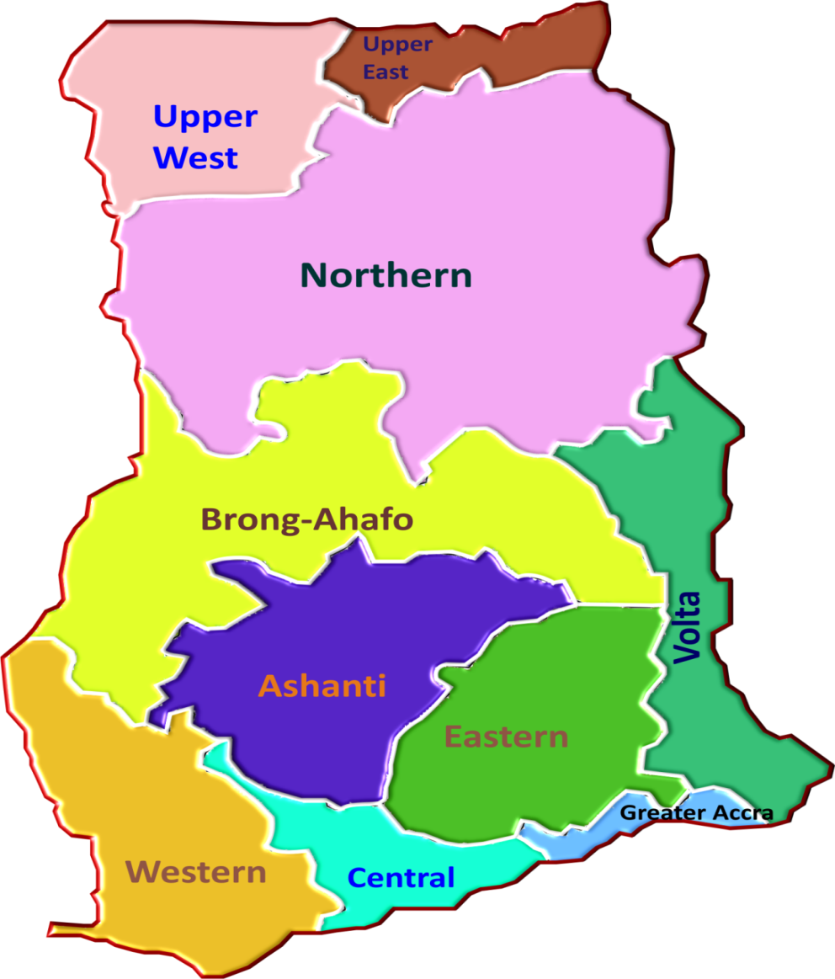

11.8%
19.2%

14.9%

9.5%
 |  |  |  | 1

9.0%
12.0%

11.7%

1.9%

10.9%
7.7%
12.3%

Ghana Statistical Service (GSS)

 |  |  |  |  |  |  |  |  | 5.2
 |  |  |  |  |  |  |  |  | 10.7
 |  |  |  |  |  |  |  |  | 11.8
 |  |  |  |  |  |  |  |  | 8.0
 |  |  |  |  |  |  |  |  | 3.8
 |  |  |  |  |  |  |  |  | 4.7
 |  |  |  |  |  |  |  |  | 6.1
 |  |  |  |  |  |  |  |  | 6.4
 |  |  |  |  |  |  |  |  | 4.7
 |  |  |  |  |  |  |  |  | 9.6

